Hoja1
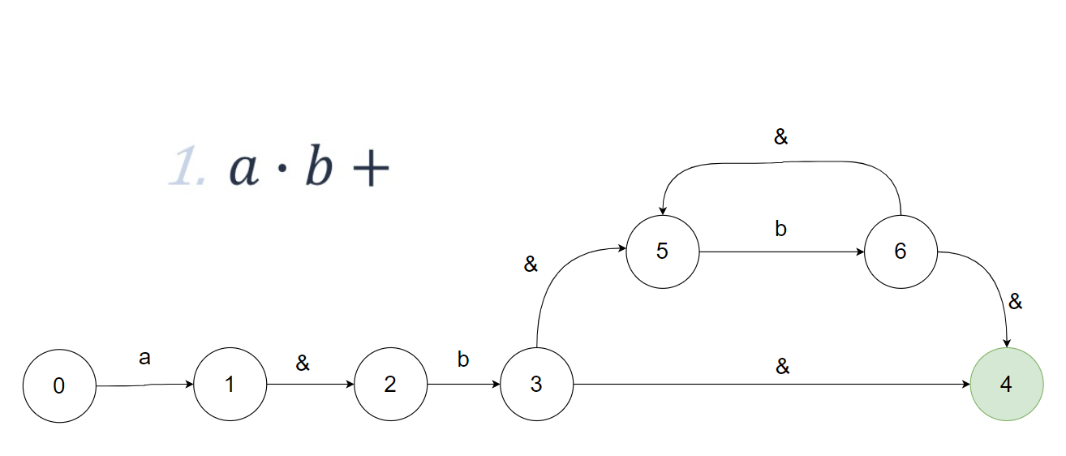

ecl( 0 ) | S( 0 ) | ecl( 6 ) | C(6, 4, 5)
T(S, a) | { 1 } | T(C,a) | ---
T(S, b) | --- | T(C,b) | { 6 }
ecl( 1 ) | A( 1, 2 )
T(A, a) | ---
T(A, b) | { 3 }
ecl( 3 ) | B( 3, 4, 5 )
T(B, a) | ---
T(B, b) | { 6 }

